Sheet1
Adding custom configuration for scraper

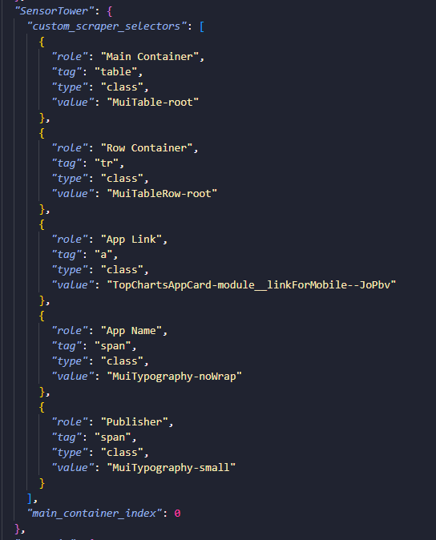
*Under Selector Configuration, make sure “View Scrape Selectors” is selected.
• Enter a unique key name for the platform
• Enter the index of the main HTML container
• In role enter logical purpose of the selector
• weather the value is class/id
• HTML element (e.g., table, tr, span)
• The exact class or identifier from the DOM
Required Selectors and Expected Mapping
🔹 Main Container
🔹 Row Container
🔹 App Link
🔹 App Name
🔹 Publisher
Go to Create Configuration tab and fill all the required fields

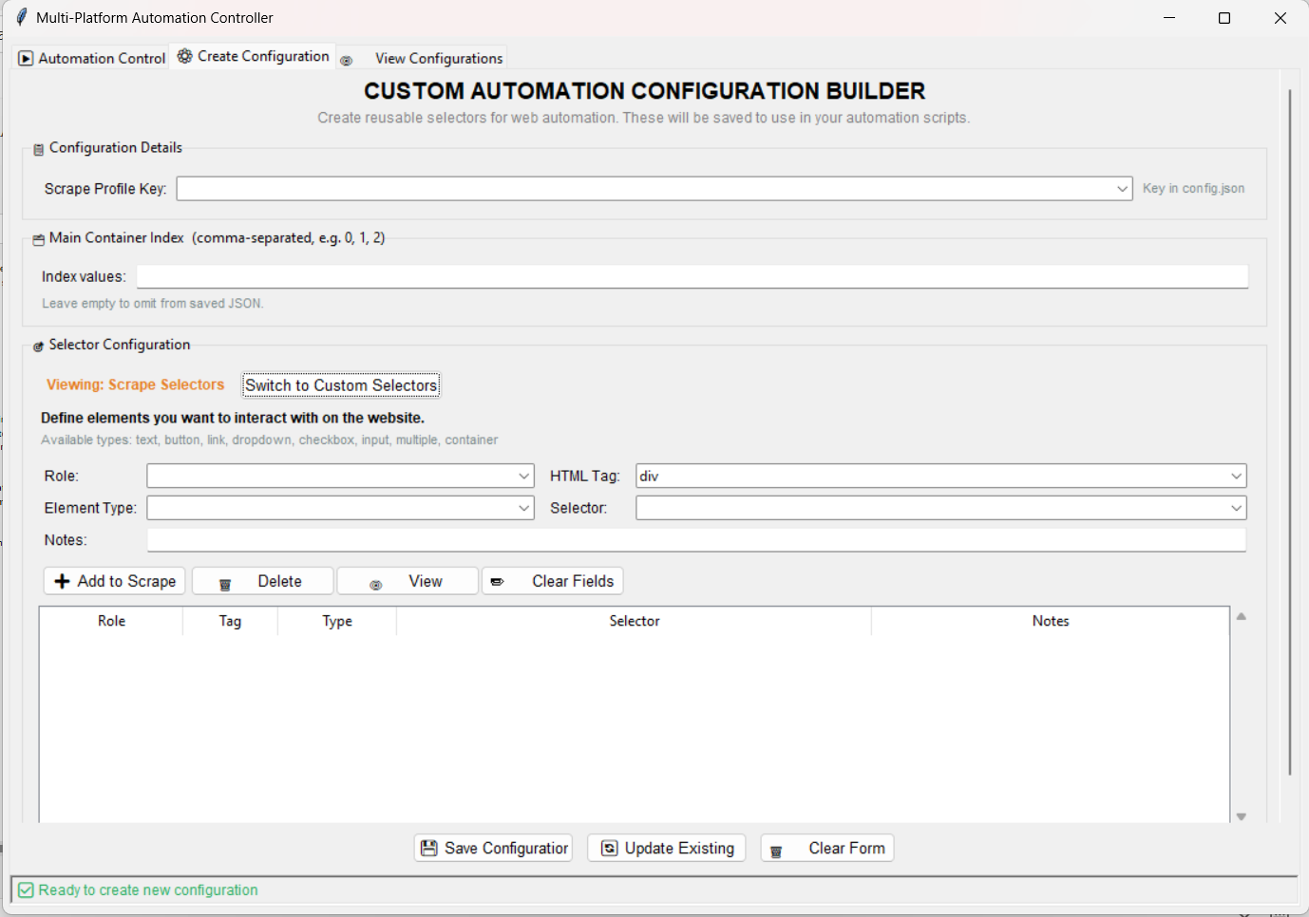

Update/Edit custom configuration for scraper

